Pivot Summary
Classic View |  |  |  |  |  |  | Basic
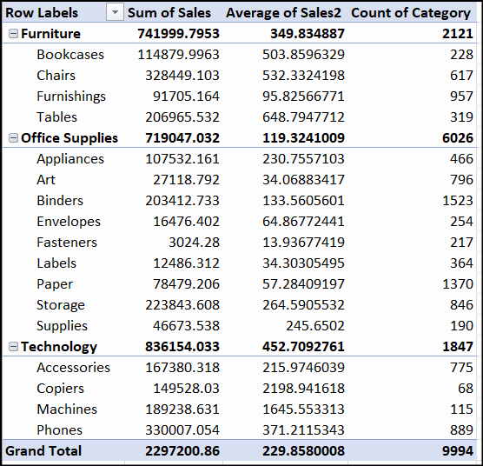
 |  | Values
Category | Sub-Category | Sum of Sales | Average of Sales2 | Count of Category
Furniture | Chairs | 328,449 | 532 | 617
 | Tables | 206,966 | 649 | 319
 | Bookcases | 114,880 | 504 | 228
 | Furnishings | 91,705 | 96 | 957
Furniture Total |  | 742,000 | 350 | 2121
Office Supplies | Storage | 223,844 | 265 | 846
 | Binders | 203,413 | 134 | 1523
 | Appliances | 107,532 | 231 | 466
 | Paper | 78,479 | 57 | 1370
 | Supplies | 46,674 | 246 | 190
 | Art | 27,119 | 34 | 796
 | Envelopes | 16,476 | 65 | 254
 | Labels | 12,486 | 34 | 364
 | Fasteners | 3,024 | 14 | 217
Office Supplies Total |  | 719,047 | 119 | 6026
Technology | Phones | 330,007 | 371 | 889
 | Machines | 189,239 | 1,646 | 115
 | Accessories | 167,380 | 216 | 775
 | Copiers | 149,528 | 2,199 | 68
Technology Total |  | 836,154 | 453 | 1847
Grand Total |  | 2,297,201 | 230 | 9994

 | Values
Category | Sum of Sales | % Contribution | Rank
Furniture | 742,000 | 32.30% | 2
Office Supplies | 719,047 | 31.30% | 3
Technology | 836,154 | 36.40% | 1
Grand Total | 2,297,201 | 100.00%

Sum of Sales | Ship Mode
Category | First Class | Same Day | Second Class | Standard Class | Grand Total
Furniture | 110,731 | 39,149 | 156,289 | 435,831 | 742,000
Office Supplies | 101,332 | 29,090 | 160,683 | 427,941 | 719,047
Technology | 139,366 | 60,124 | 142,222 | 494,443 | 836,154
Grand Total | 351,428 | 128,363 | 459,194 | 1,358,216 | 2,297,201

Sum of Sales | Years
Ship Date | 2014 | 2015 | 2016 | 2017 | 2018 | Grand Total
Jan | 13,275 | 29,595 | 19,130 | 42,297 | 5,160 | 109,457
Feb | 5,407 | 12,679 | 26,954 | 23,507 |  | 68,546
Mar | 50,708 | 39,270 | 48,796 | 52,891 |  | 191,665
Apr | 30,388 | 25,515 | 41,028 | 40,022 |  | 136,954
May | 22,479 | 32,588 | 46,520 | 44,532 |  | 146,119
Jun | 35,992 | 29,851 | 48,273 | 47,220 |  | 161,336
Jul | 32,991 | 30,400 | 37,596 | 47,184 |  | 148,171
Aug | 30,245 | 28,116 | 32,032 | 63,760 |  | 154,153
Sep | 73,127 | 69,616 | 70,461 | 91,671 |  | 304,874
Oct | 35,741 | 32,576 | 60,858 | 75,552 |  | 204,727
Nov | 80,182 | 70,635 | 74,664 | 105,201 |  | 330,682
Dec | 59,848 | 78,602 | 105,014 | 97,053 |  | 340,517
Grand Total | 470,383 | 479,443 | 611,326 | 730,890 | 5,160 | 2,297,201

